SH-grid
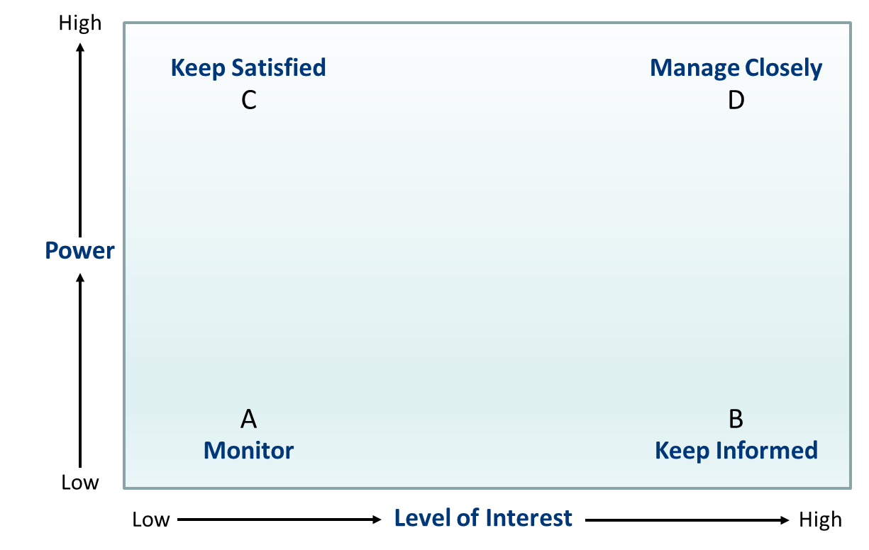
High
10 | C |  |  |  | BD |  |  |  |  | D
 |  |  |  |  |  |  | USDA / EPA | Fin | Eng / Ops / SC | Reg
9

8 |  |  | Inv |  |  |  | GM
 |  |  |  |  |  |  |  |  |  | Sup / Con
7
 |  |  |  |  |  |  |  | HR
6
Power
5

4 |  |  |  |  |  |  | LG

3

2 |  |  |  |  | Com
 |  | Cus
1
Low
 | A |  |  |  |  |  |  |  |  | B
Level of Interest
 | 1 | 2 | 3 | 4 | 5 | 6 | 7 | 8 | 9 | 10
Low
High

Risk
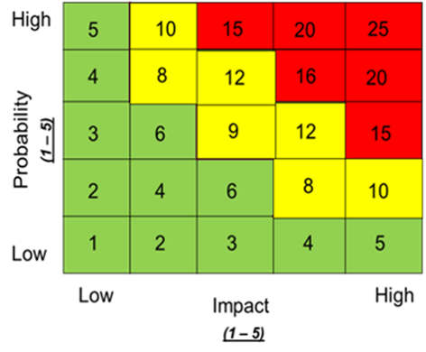
 |  | Risk Description | Probability | Impact | Prob x Impact | Response (choose) | Action | Cost
 |  | Failure to secure local suppliers and logistics. | 3 | 5 | 15 | Mitigate | Send a wider reaching request for proposal (RFP) for prospective suppliers | $1,000
 |  | Failure to secure the proper permits in order to remain compliant and allow for consturction | 4 | 4 | 16 | Mitigate | Assign a compliance focal to prioritize all permit approvals | $1,000
 |  | Failure to secure skilled labor | 3 | 3 | 9 | Transfer | HR to secure partnerships with neighboring universities and trade schools to ensure a talent pipeline for the new facility | $10,000
 |  | Ineffieicent access to energy infrastructure | 1 | 4 | 4 | Accept | Energy proximity criteria built into plan
 |  | Changes in market demand for electric vehicles | 2 | 5 | 10 | Accept | Conduct thorough market analysis and maintain flexibility in production capabilities are important.
 |  | Financial mismanagement | 5 | 5 | 25 | Avoid | Ensure accurate cost estimation, secure sufficient funding, and manage cash flow. Add $50,000 to buffer for budget deviation. | $50,000
 |  | Unexpected public pushback from local communities and environmental groups. | 3 | 3 | 9 | Mitigate | Extensive community engagement to address concerns and gather public support for the project | $2,000
 |  | Project not approved by Tesla's internal investment board | 3 | 5 | 15 | Accept | Create a comprehensive analysis for the board to consider all variables
 |  |  |  |  |  |  |  | $64,000
Total Risks | 7 | * If X occurs during the project, then Y is the impact (on CSP), and Z is the result. (Impact on the project or business).

 | If the team fails to secure local suppliers during the project, then the flow of materials will be impacted, and a longer production lead time is the result.
7 | If the team fails to secure the proper permits for construction, then the company will be impacted by fines as a result.
 | If the team fails to identify skilled labor to staff the site, then the site will have poor quality output, resulting in increase to COGS and lead time
 | If the team fails to identify the proper access to engergy infrastructure, then construction will be delayed, resulting in additional costs and schedule slides
 | If the damand for electric vehicles decreases, then there is less of a demand for an additional location, resulting in a canceled project.
 | If the budget is not managed properly, additional dollars maybe required, resulting in additional costs for Tesla.
 | If the local community does not welcome the new facility, then operations may be impacted, resulting in delays to prodction and delivery.

RMatrix
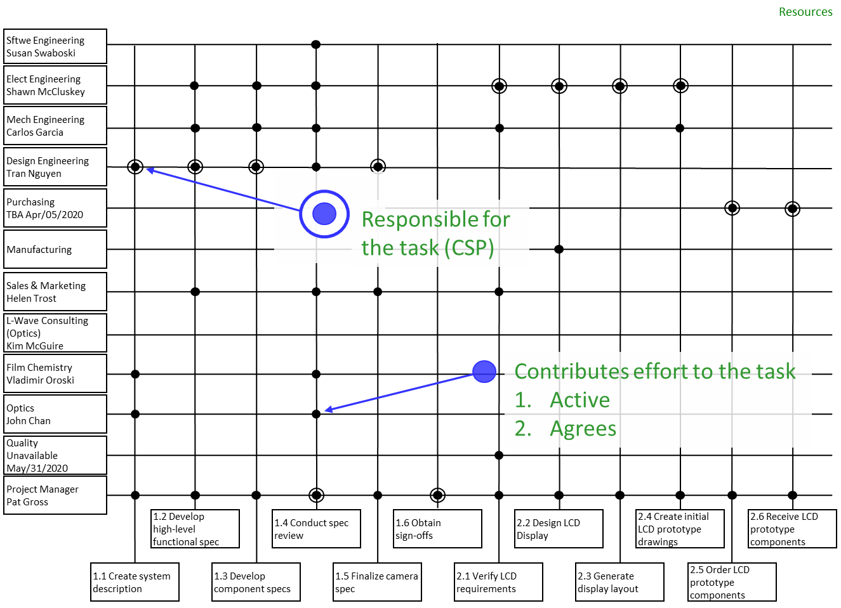
Being played today by... |  | R (esponsible) OR C (ontributor) |  |  |  |  |  |  |  |  |  |  |  |  |  |  |  | C or R
 | Name + Dept. | C or R | Estimate | C or R | Estimate | C or R | Estimate | C or R | Estimate | C or R | Estimate | C or R | Estimate | C or R | Estimate | C or R | Estimate | C or R | Estimate | C or R | Estimate | C or R | Estimate | C or R | Estimate | C or R | Estimate | C or R | Estimate | C or R | Estimate | C or R | Estimate | C or R | Estimate | C or R | Estimate | C or R | Estimate | C or R | Estimate | C or R | Estimate | C or R | Estimate | C or R | Estimate | C or R | Estimate | C or R | Estimate | C or R | Estimate | C or R | Estimate | C or R | Estimate | C or R | Estimate | C or R | Estimate | C or R | Estimate
 | Doug Engineering | C | 5 | C | 4 |  |  | C |  | R | 15 | R | 3 | R | 15 | C | 5 |  |  | R | 10 | C | 5 | R | 10 |  |  | C | 7 | C | 5 | C | 10 | C | 10 |  |  | C | 4 |  |  | C | 10 |  |  |  |  |  |  |  |  | C | 10 |  |  | C | 2 | C | 3 | C | 3
 | Sven Operations Director | C | 6 | C | 6 | C | 5 | C | 3 | C | 10 |  |  |  |  |  |  |  |  |  |  | C | 5 | C | 5 |  |  | C | 5 | C | 2 | C | 5 | C | 5 | C | 6 | C | 4 |  |  |  |  |  |  |  |  |  |  |  |  | C | 10 | C | 2 | C | 2 | C | 3 | C | 3
 | Ryan Finance |  |  |  |  | R | 12 | C | 2 |  |  |  |  |  |  |  |  |  |  |  |  | C | 10 | C | 5 |  |  |  |  | C | 3 | R | 20 | C | 5 |  |  | C | 3 |  |  |  |  |  |  |  |  |  |  |  |  | R | 15 | R | 5 | R | 5 | C | 3 | C | 3
 | Tonya HR |  |  |  |  |  |  |  |  |  |  |  |  |  |  |  |  |  |  |  |  | R | 20 |  |  |  |  |  |  |  |  |  |  |  |  |  |  | R | 20 |  |  |  |  |  |  |  |  |  |  |  |  |  |  | C | 2 | C | 2 | C | 3 | C | 2
 | Camille Supply Chain | C | 6 | C | 6 |  |  | C | 3 | C | 5 |  |  |  |  |  |  | R | 10 |  |  | C | 5 | C | 5 |  |  | C | 7 | C | 5 | C | 5 | C | 5 |  |  | C | 3 |  |  | C | 5 |  |  |  |  |  |  |  |  | C | 5 |  |  | C | 2 | C | 3 | C | 3
 | Russel Automotive GM | C | 6 |  |  | C | 5 | C | 2 |  |  | C | 1 | C | 3 |  |  | C | 5 | C | 5 |  |  |  |  |  |  |  |  |  |  |  |  |  |  | C | 6 | C | 5 | C | 2 |  |  | C | 3 | C | 3 | C | 3 | C | 3 | C | 3 | C | 3 | C | 2 | C | 4 | C | 5
 | Mary Compliance Manager | C | 5 | C | 5 |  |  | C | 3 | C | 3 | C | 1 | C | 2 | R | 10 |  |  | C | 5 |  |  |  |  | R | 10 | R | 10 | C | 10 |  |  | C | 10 | R | 5 |  |  | R | 12 |  |  | R | 5 | R | 5 | R | 5 | R | 5 | C | 3 | C | 3 |  |  | C | 3 | C | 3
 | Tyler PM | R | 16 | R | 10 | C | 6 | R | 5 | C | 3 | C | 1 | C | 3 | C | 3 | C | 5 | C | 5 |  |  |  |  | C | 5 | C | 10 | R | 15 | C | 10 | R | 20 | C | 16 | C | 10 | C | 3 | R | 14 | C | 4 | C | 4 | C | 4 | C | 4 | C | 5 | C | 3 | C | 2 | R | 16 | R | 16 | R | 3

 | Tasks | Create Project Scope & Objectives | 44.00 | Identify Key Stakeholders | 31.00 | Establish Timeline & Budget | 28.00 | Develop Communication Cadence | 18.00 | Create Site Layout | 36.00 | Confirm Square Footage | 6.00 | Draft Blueprint | 23.00 | Obtain LEED Approval | 18.00 | Quantify Desired Proximity to Raw Materials | 20.00 | Quantify Desired Proximity to Renewable Energy Sources | 25.00 | Document Skilled Workforce Criteria | 45.00 | Create Infrastructure and Logistics Criteria | 25.00 | Outline Regulatory Environment | 15.00 | List Environmental Impact and Sustainability | 39.00 | Formulate Site Selection Report | 40.00 | Create Cost-Benefit Analysis | 50.00 | Develop Risk Assessment report | 55.00 | Attend Local Townhall Meetings | 33.00 | Identify Neighboring University & Trade School Partnership | 49.00 | Secure USDA & EPA Partnership | 17.00 | Establish Review Cadence with Engineering and Supply Chain | 29.00 | Identify and Secure Federal Permits | 12.00 | Identify and Secure State Permints | 12.00 | Identify and Secure County Permits | 12.00 | Identify Recurring Permit Requirements | 12.00 | Estimate construction costs & operating expenses | 51.00 | Document Tax Benefits for Each Location | 18.00 | Develop Financial Model | 17.00 | Document lessons learned | 38.00 | Finalize project deliverables and reports | 38.00 | Submit FInal Deliverables | 3.00

 | Deliverables | Project Management |  |  |  |  |  |  |  | Facility Blueprints (Design) |  |  |  |  |  |  |  | Site Selection Criteria |  |  |  |  |  |  |  |  |  |  |  | Location Selection |  |  |  |  |  | Stakeholder Engagement |  |  |  |  |  |  |  | Permit Approval |  |  |  |  |  |  |  | Financial Analysis |  |  |  |  |  | Project Closure

 |  |  |  |  |  |  |  |  |  |  |  |  |  |  |  |  |  | Resource | Hourly Rate
 |  |  |  |  |  |  |  |  |  |  |  |  |  |  |  |  |  | Doug Engineering | $45
 |  |  |  |  |  |  |  |  |  |  |  |  |  |  |  |  |  | Sven Operations Director | $50
 |  |  |  |  |  |  |  |  |  |  |  |  |  |  |  |  |  | Ryan Finance | $55
 |  |  |  |  |  |  |  |  |  |  |  |  |  |  |  |  |  | Tonya HR | $47
 |  |  |  |  |  |  |  |  |  |  |  |  |  |  |  |  |  | Camille Supply Chain | $45
 |  |  |  |  |  |  |  |  |  |  |  |  |  |  |  |  |  | Russel Automotive GM | $65
 |  |  |  |  |  |  |  |  |  |  |  |  |  |  |  |  |  | Mary Compliance Manager | $46
 |  |  |  |  |  |  |  |  |  |  |  |  |  |  |  |  |  | Avg | $50

Network Diagram
